Sheet1
 | TESTER NAME: Andika Pratama | TEST SCENARIO : CREATE, EDIT, & DELETE GIST | TEST PURPOSE: Bug Check
 | TEST DATE: November 26th 2022 | TEST PLATFORM: WEBSITE | BUILD ID: -
 | LANGUAGE TESTED: English | DEVICE / BROWSER: Chrome

Test Id | Test Case | Expected Result | Actual Result | Pass/Fail | Test Step | Positive/Negative Case | Attachment
Test Condition: Create Gist
1 | Verify Success Create Gist with valid gist description, valid filename, & valid content | A new page appears containing the gist that has been created | A new page appears containing the gist that has been created | Pass | 1. Fill in the gist description 2. Fill valid filename 3. Fill content 4. Click Create public gist | Positive | 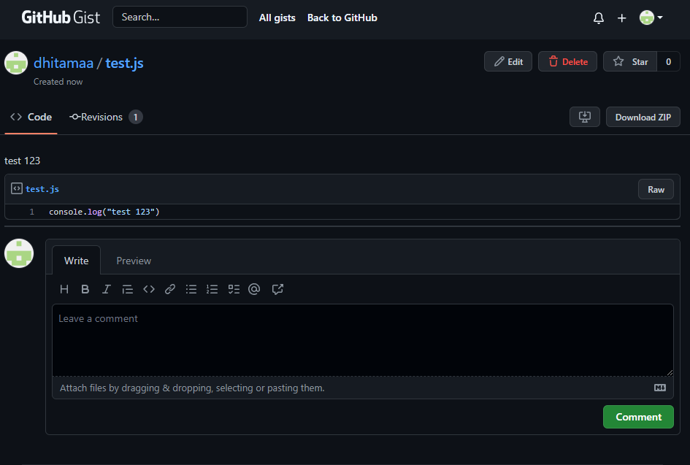
2 | Verify Succes Create with blank gist description, valid filename, & valid content | A new page appears containing the gist that has been created | A new page appears containing the gist that has been created | Pass | 1. Gist description not filled 2. Fill valid filename 3. Fill content 4. Click Create public gist | Positive | 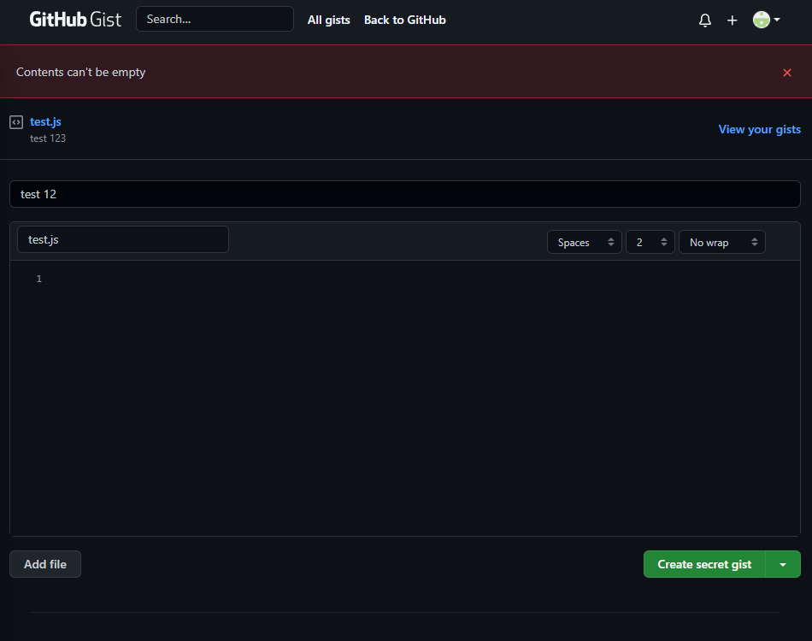 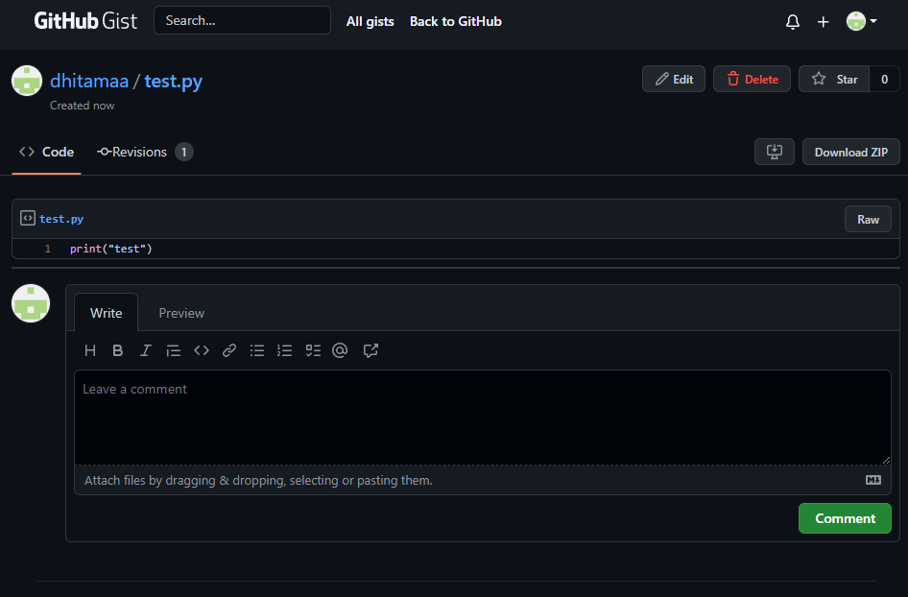
3 | Verify Succes Create with valid gist description, blank filename, & valid content | A new page appears containing the gist that has been created with random filename | A new page appears containing the gist that has been created with random filename | Pass | 1. Fill in the gist description 2. Filename not filled 3. Fill content 4. Click Create public gist | Positive | 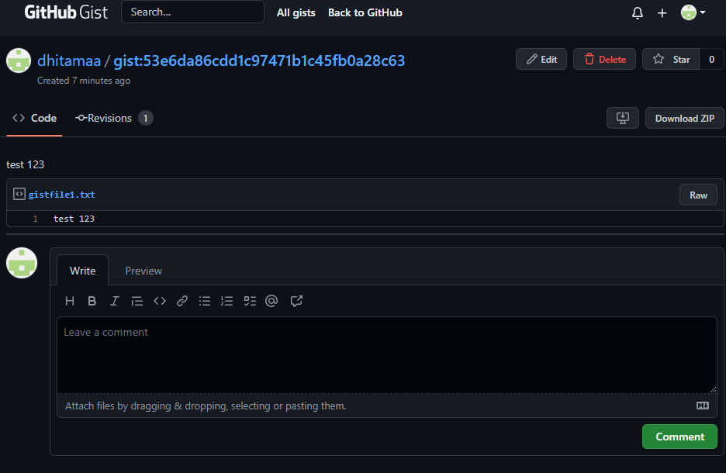
4 | Verify Succes Create with valid gist description, fill filename without extension, & valid content | A new page appears containing the gist that has been created | A new page appears containing the gist that has been created | Pass | 1. Gist description not filled 2. Fill filename without extension 3. Fill content 4. Click Create public gist | Positive | 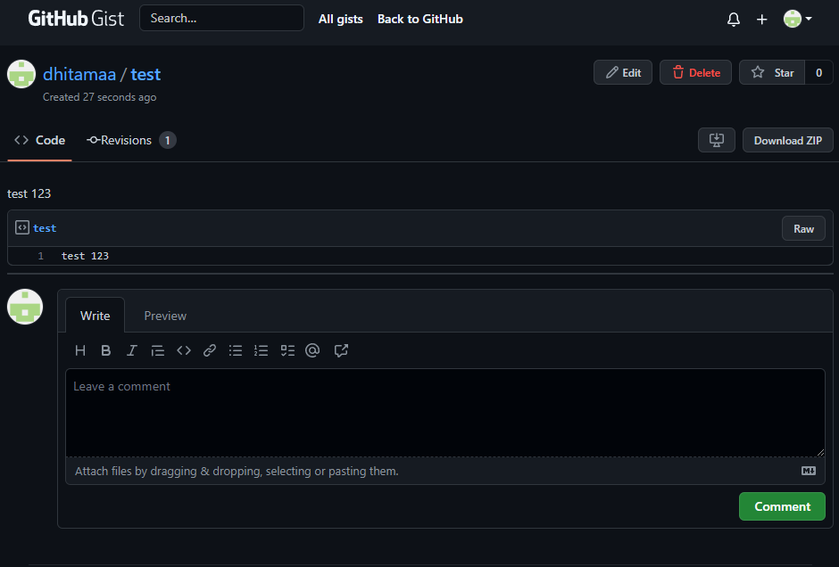
5 | Verify Failed Create with valid gist description, valid filename, & blank content | A pop up "contents can't be empty" appears. | A pop up "contents can't be empty" appears. | Pass | 1. Fill in the gist description 2. Fill valid filename 3. Content not filled 4. Click Create public gist | Negative

Test Condition: Edit Gist
1 | Verify Success Edit Gist with valid gist description, valid filename, & blank content | The content of the gist disappeared | The content of the gist disappeared | Pass | 1. Click edit 2. Delete data from content 3. Click update public gist | Positive | 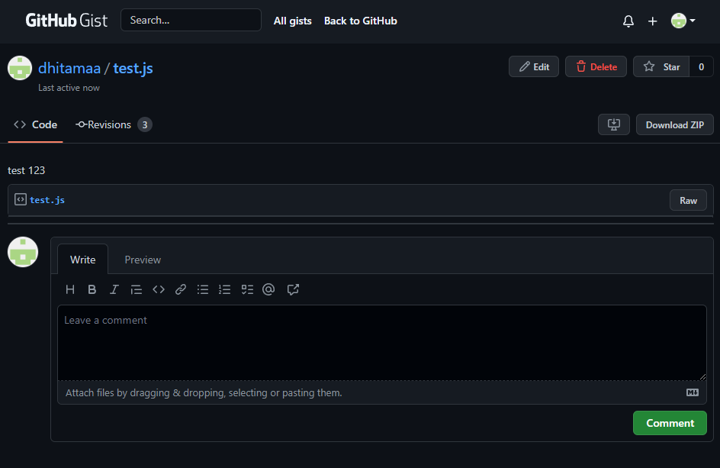
2 | Verify Success Edit Gist with valid gist description, blank filename, & fill content | Gist appears with a change in the filename to random | Gist appears with a change in the filename to random | Pass | 1. Click edit 2. Delete filename to blank 3. Click update public gist | Positive | 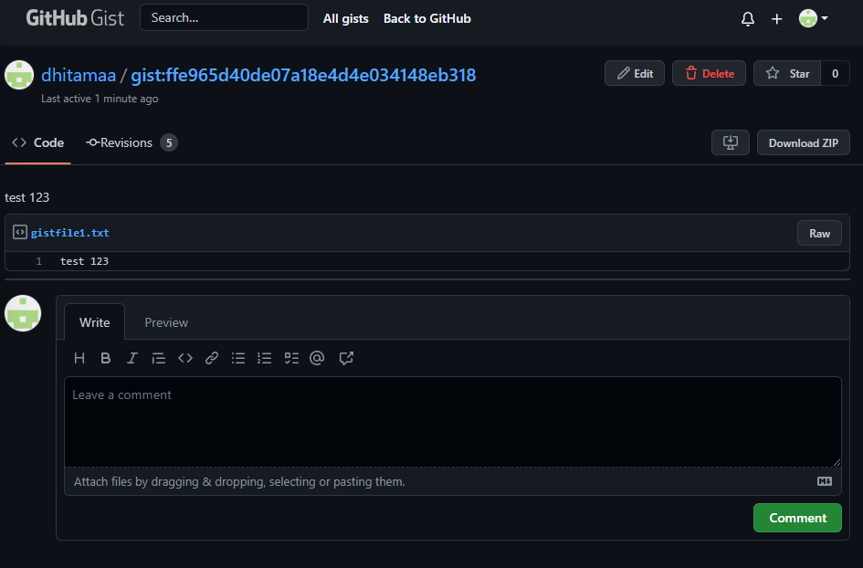
3 | Verify Success Edit Gist with blank gist description, fill filename, & fill content | Gist appears with a change in the description to blank | Gist appears with a change in the description to blank | Pass | 1. Click edit 2. Delete description to blank 3. Click update public gist | Positive | 
4 | Verify Success Edit Gist with blank gist description, blank filename, & blank content | Gist appears with a change in the filename to random, blank content & blank description | Gist appears with a change in the filename to random, blank content & blank description | Pass | 1. Click edit 2. Delete description to blank 3. Delete filename 4. Delete content 5. Click update public gist | Positive | 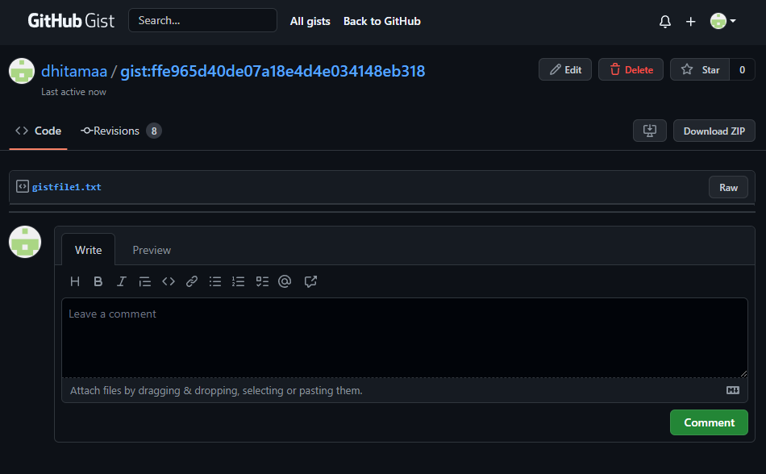

Test Condition: Delete Gist
1 | Verify Success Deleted Gist | Gist deleted and lost in the main menu Gist | Gist deleted and lost in the main menu Gist | Pass | 1. Click delete 2. Click ok from pop up 3. Gist deleted | Positive | 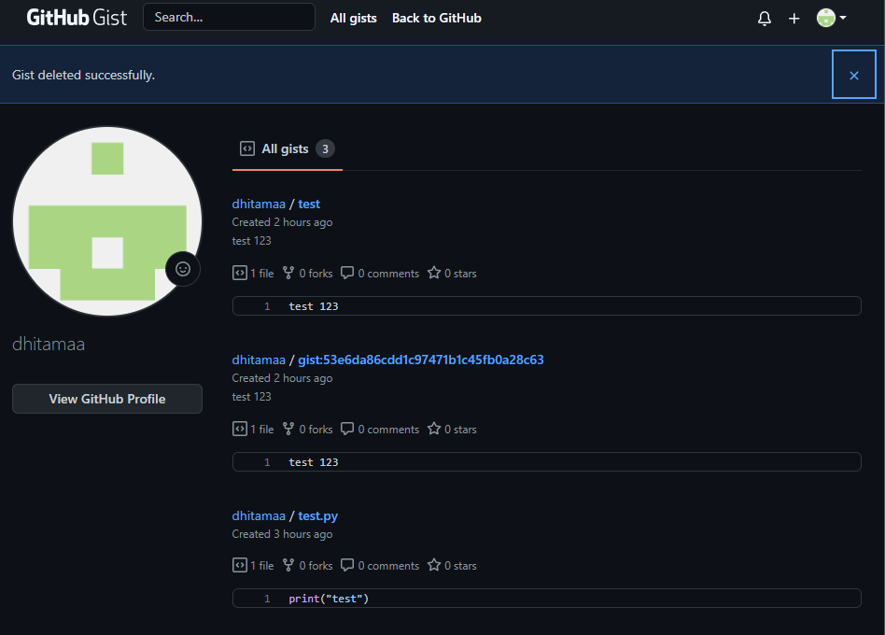
2 | Verify Success Cancel Deleted Gist | Gist is still on list | Gist is still on list | Pass | 1. Click edit 2. Click cancel from pop up 3. Gist canceled to delete | Positive | 